1. Title Page
[Instacart Grocery Basket Analysis]

Project Name: Instacart Grocery Basket Analysis
Date: 6/23/2023
Analyst Name: William Inglish

Contents:
Population Flow
Consistency checks
Wrangling steps
Column derivations
Visualizations
Recommendations

2. Population Flow
Title page

Population flow

Exclusion flag
Condition: max_order < $100
Obervations to be removed: 21
Final total count of order_products_all: 32,404,859

Orders_products_combined
Orders_products_merged
Orders_products_all

Total: 32,404,859
Total: 32,434,489
Total: 32,404,859

1.) The grey boxes in the first row of the population flow represent the original data sets as they were when you downloaded them. In the Total fields you need to add the count of the rows when you imported the data set into Jupyter.
2.) The second row of boxes (coloured) represents the data sets after you manipulated them, e.g., removed missing values and duplicates. In the Total fields you need to add the count of the rows after conducting these operations. This offers a visual oveview of how the data flows throughout the data consistency checks.
3.) The third row, where also the arrows are coloured, represents the merges you performed between the datasets. In the Total fields you need to add the count of the rows in the merged datasets, so that you end up with the final dataset (in the red box). Keep in mind the final dataset should be without exclusions (based on the exclusion flag).

3. Consistency checks
 |  |  |  | Title page
Consistency checks

Dataset | Missing values | Missing values treatment | Duplicates
orders | 0 | 0 | 0
products | product_name , 16 | Dropped | 5
orders_products_prior | 0 | 0 | 0
customers | 0 | 0 | 0

4. Wrangling steps
 |  |  |  | Title page
Wrangling steps

Columns dropped | Columns renamed | Columns' type changed | Comment/Reason
eval_set | eval_set |  | No relevant data
first_name |  |  | PII
last_name |  |  | PII
_merge |  |  | No relevant data
 | order_dow |  | Changed to "order_day_of_the_week" for easier reading
 | First_name |  | Changed to "first_name"
 | Surname |  | Changed to "last_name"
 | n_dependants |  | Changed to "number_of_dependants"
 | fam_status |  | Changed to "marital_status"
 | STATE |  | Changed to "State"
 |  | order_id | Changed to an object for ID's
 |  | user_id | Changed to an object for ID's
 |  | first_name | There was mixed datatypes and changed all to objects

5. Column derivations
 |  |  |  | Title page

Column derivations and aggregations

In this tab you should add tables below that the frequences of flags/label variables that you produced after deriving them. NB: don't do this for continuous variables, only for flags.
Dataset | New column | Column/s it was derived from | Conditions
orders_products_merged | "price_range" | "prices" | prices <= 5: "Low-range product"
 |  |  | 5 < prices <= 15: "Mid-range product"
 |  |  | prices > 15: "High-range product "
orders_products_merged | "busiest_day" | "orders_day_of_the_week" | if day 0 (Sat.), "Busiest day"
 |  |  | if day 4 (Wed.), "Least busy"
 |  |  | else: "Regularly busy"
orders_products_merged | "busiest_days" | "orders_day_of_week" | if day 0 or 1 (Sat. or Sun.), "Busiest days"
 |  |  | if day 3 or 4 (Wed. or Thurs.), "Least busy days"
 |  |  | else: "Regularly busy days"
orders_products_merged | "busiest_period_of_day" | "order_hour_of_day" | 9am-4pm or 9-15: "Most orders"
 |  |  | 11pm-6am or 23-6: "Fewest orders"
 |  |  | else: "Average orders"
orders_products_merged | "loyalty_flag" | "max_order" | max_order > 40: "Loyal customer"
 |  |  | 10 < max_order <= 40: "Regular customer"
 |  |  | max_order <= 10: "New customer"
orders_products_merged | "spending_flag" | "average_price" | avg_price_order < 10: "Low spender"
 |  |  | avg_price_order >= 10: "High spender"
orders_products_merged | "order_frequency_flag" | "median_prior_order" | median > 20: "Non-frequent customer"
 |  |  | 10 < median <= 20: "Regular customer"
 |  |  | median <= 10: "Frequent customer"
final_df | "region" | "State" | "Northeast"
 |  |  | "Midwest"
 |  |  | "South"
 |  |  | "West"
final_df | "activity_flag" | "max_order" | max_order < 5: "Low order customer"
 |  |  | max_order >= 5: "High order customer"
final_df | "age_flag" | "age" | age < 30: "Young adult"
 |  |  | 30 < age < 65: "Middle-aged adult"
 |  |  | age > 65: "Senior adult"
final_df | "income_flag" | "income" | income < 50000: "Low-income"
 |  |  | 50000 <= income < 100000: "Middle-income"
 |  |  | > 100000: "High-income"
final_df | "dependants_flag | "number_of_dependants" | "= 0" dependant: "Single_status"
 |  |  | > 0 dependant: "Family"

6. Visualizations
 |  |  |  |  |  |  |  |  | Title page

Visualisations

In this tab you should include all the visualtions from Exercises 4.9 and 4.10, alongside the questions from the project brief that they answer. Include any commentary on the relationship between different variables.

For Question 1 |  |  |  |  |  | For Question 1

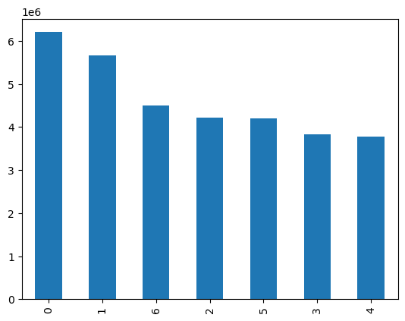
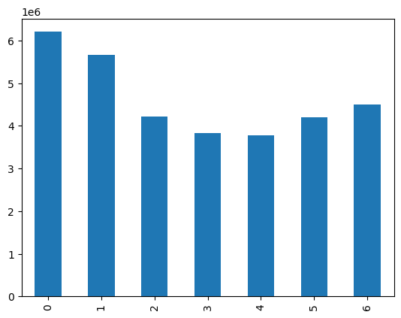
 |  |  | X-axis |  |  |  |  |  |  |  |  | X-axis
 |  |  | 0 | Saturday |  |  |  |  |  |  |  | 0 | Saturday
 |  |  | 1 | Sunday |  |  |  |  |  |  |  | 1 | Sunday
 |  |  | 2 | Monday |  |  |  |  |  |  |  | 2 | Monday
 |  |  | 3 | Tuesday |  |  |  |  |  |  |  | 3 | Tuesday
 |  |  | 4 | Wednesday |  |  |  |  |  |  |  | 4 | Wednesday
 |  |  | 5 | Thursday |  |  |  |  |  |  |  | 5 | Thursday
 |  |  | 6 | Friday |  |  |  |  |  |  |  | 6 | Friday

 |  |  | Y-axis |  |  |  |  |  |  |  |  | Y-axis
 |  |  | Orders in millions |  |  |  |  |  |  |  |  | Orders in millions

It looks like Saturday is the busiest day followed by Sunday. And the two least busiest days are Tuesday and Wednesday, with Wednesday being the slowest day.


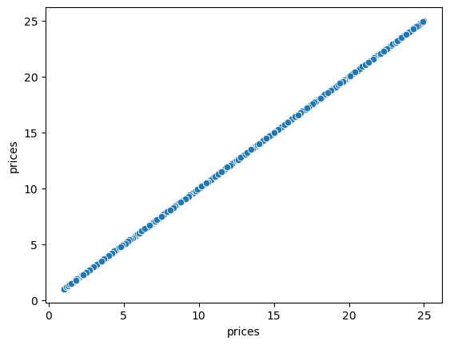

 |  |  |  | X-axis
 |  |  |  | Prices

 |  |  |  | Y-axis
 |  |  |  | Frequency in the millions

 | This is a histogram of prices frequency. We can see the highest amount is in the range of 1-15.
 | The minimum is in 15-25. |  |  |  |  |  | This scatterplot is to check any deviances in the prices column

 |  |  |  |  |  |  | For Question 1

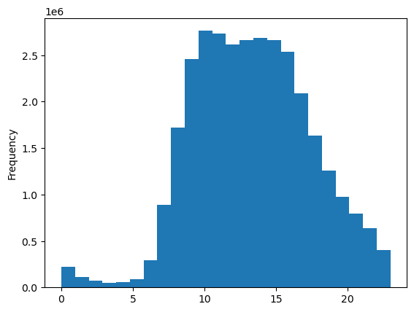
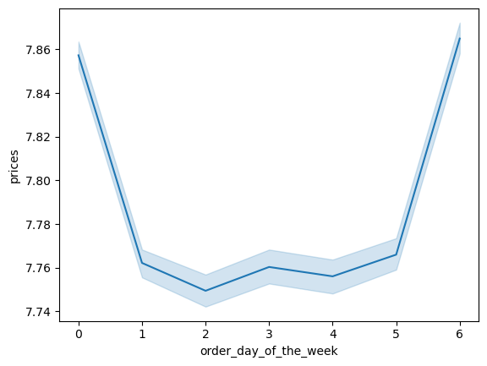
 |  |  |  | X-axis |  |  |  |  |  |  |  |  | X-axis
 |  |  |  | order_day_of_the_week |  |  |  |  |  |  |  |  | order_hour_of_day

 |  |  |  | Y-axis |  |  |  |  |  |  |  |  | Y-axis
 |  |  |  | prices |  |  |  |  |  |  |  |  | Frequency

This is a line chart showing the correlation of orders on the day of the week and prices. It looks like Friday and Saturday have the higher average for prices than the other days |  |  |  |  |  |  | This is a histogram about the hour of the day orders come and their frequency of orders. It looks like from 10-16 Military is when it is the busiest


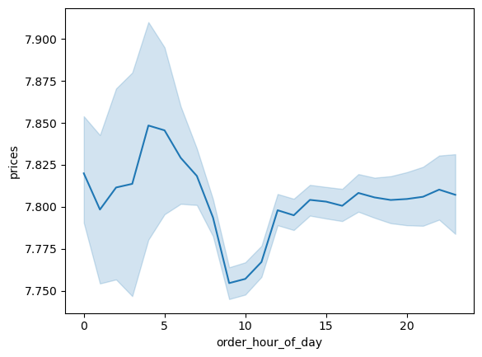

 |  |  |  |  |  |  |  |  |  |  |  |  | X-axis
 |  |  |  | X-axis |  |  |  |  |  |  |  |  | order_hour_of day
 |  |  |  | Loyalty flag
 |  |  |  |  |  |  |  |  |  |  |  |  | Y-axis
 |  |  |  | Y-axis |  |  |  |  |  |  |  |  | prices
 |  |  |  | Frequency |  |  |  |  |  |  |  |  | This is for question 2

 |  |  |  | For Question 5

 |  |  |  |  |  |  | This line chart shows the correlation of the orders in the hour of the day and the prices. This was for a smaller subset, however it still shows trends where the highest pricing on orders are around 4 and the lowest priced orders are around 10

 | This is a bar chart for the loyalty flag created for number of orders. It looks like about 16 million are regular customers, next loyal customers 11 million and new customers 6 million

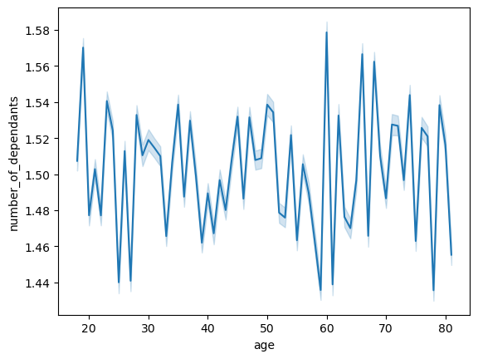


 | This line chart shows a correlation of dependents and age, which there is none. |  |  |  |  |  |  | This scatterplot shows the trends of income and age. This shows that from age 20-40 the highest income is around 400,000 and from 40-80 the highest income is 600,000.

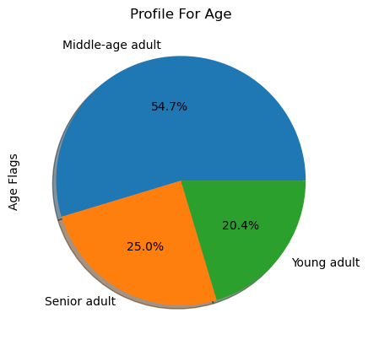
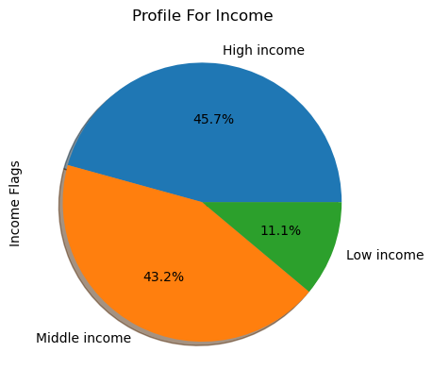

 |  | Question 9 |  |  |  |  |  |  |  | Question 9

 |  |  |  |  | This pie chart shows the percentage of the three income flags created

This pie chart shows the percentage of the three age_flags made, Young adult, Middle-age adult and Senior adult

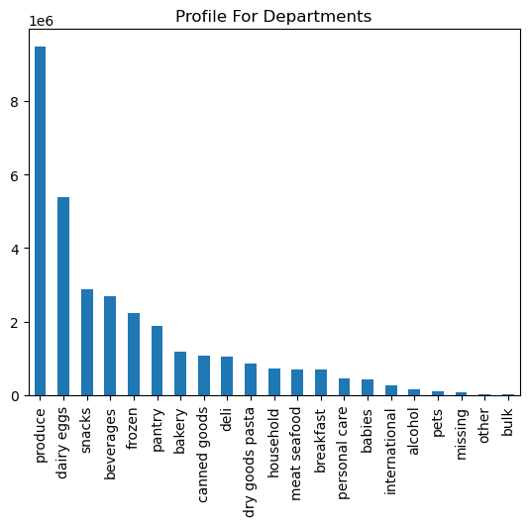
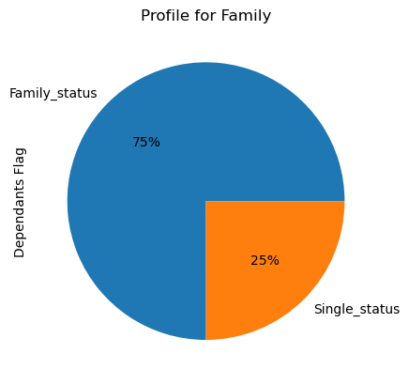

 |  |  |  |  |  |  |  |  |  |  | Question 9
 |  |  | This is for question 4 and 9

 |  |  |  |  |  |  | This is a pie chart representing the two dependant flags created, Single_status and Family status. It looks like the majority have at least 1 dependants

This bar chart shows the frequency of each department which shows produce and dairy being the top 2 and other and bulk being the last 2.

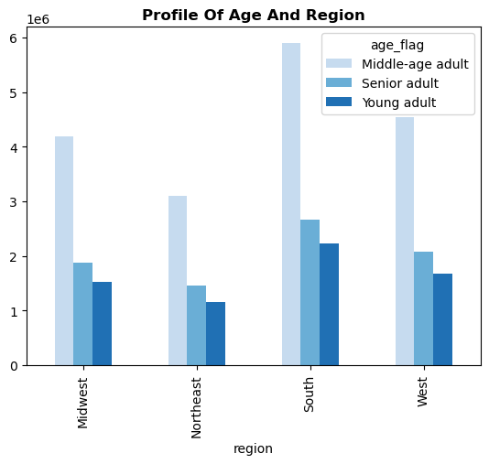
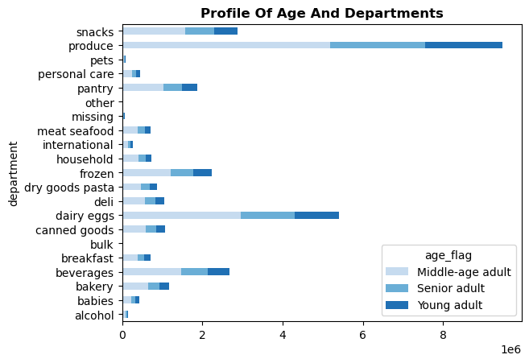

 |  |  |  |  |  |  | The stacked bar chart above shows each departments frequency for each age flag. It looks like produce is the majority product each age flag. The next department is diary eggs for each age flag.
The bar chart above shows the frequency of each region's age flag and it shows that for each region there is a majority of Middle-age adults

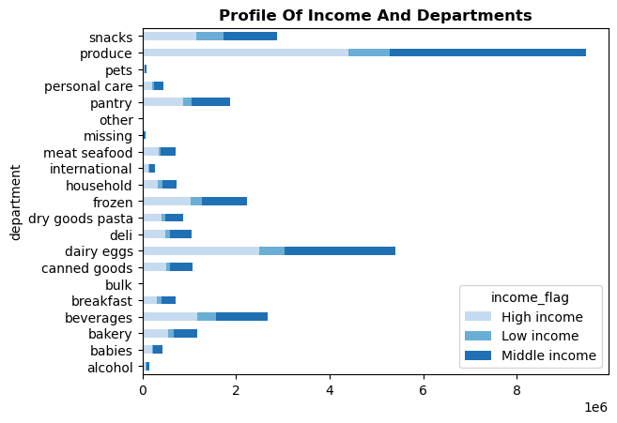
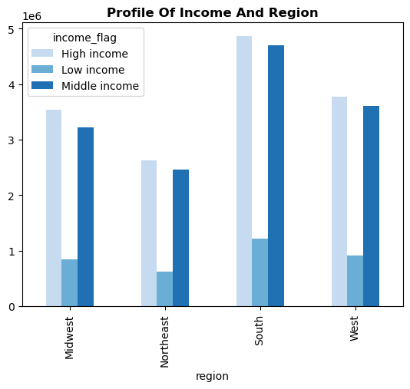

 |  |  |  |  |  |  |  | This is a stacked bar showing each departments income_flag. The majority of the frequency comes from the middle income flag

This is a bar chart showing the frequency of each region's income_flag. This shows that both high and middle income have very high frequencies in each region.

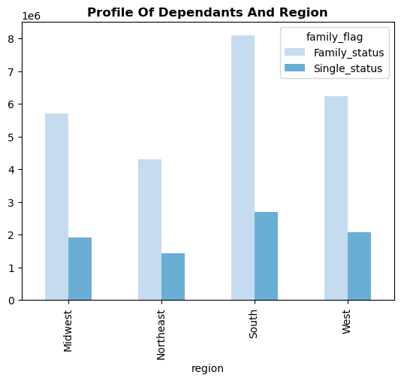
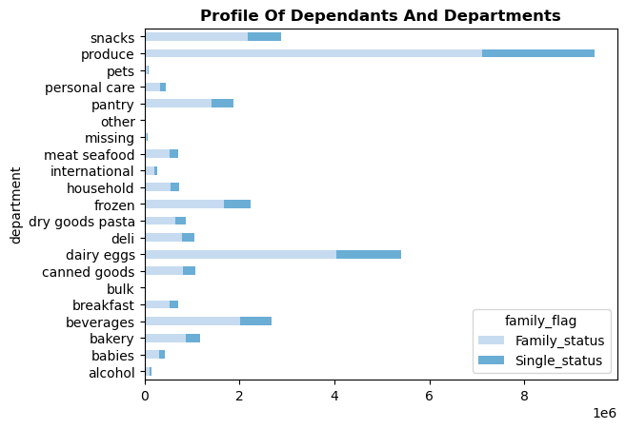

 |  |  |  |  |  |  |  | This stacked bar shows the frequency of each departments family flag. The majority is in favor of family's and the two departments that have the most frequency are produce and diary eggs.
This bar chart shows the frequency of each regions dependancy status. It looks like the average for single_status is 2 million and the average for family_status is 6 million.

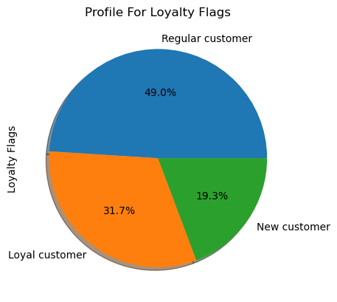
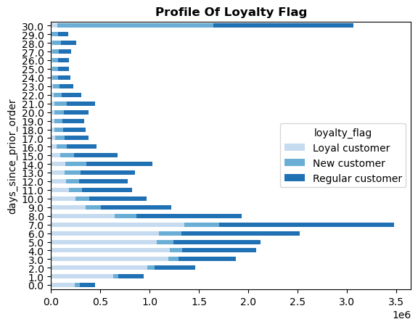

 |  | For Question 5
 |  |  |  |  | For Question 6

This is a pie chart for the loyalty flags New customers, Regular customers and Loyal customers

 |  |  |  |  |  |  |  | This is a bar chart showing the distribution of number of customers days since prior order with their loyalty status.

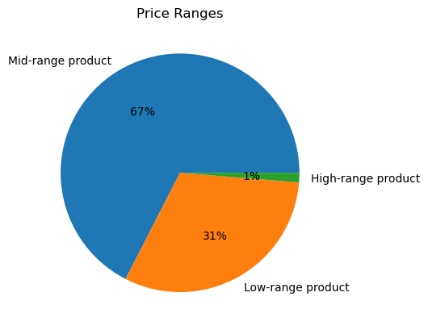

 |  |  | Question 3

 | This is a pie chart of the price ranges of the products

7. Recommendations
 |  |  |  | Title page

Recommendations

In this tab you should include any recommendations you would made to Instcart in terms of their marketing strategy based on the questions posed in the brief. Every key question has been covered in the Tasks of the Exercises - here you need to add an item - a visualisation or table/crosstable that is showing the answer in the data, acompanied by a comment from you. Please, list the questions below and add the answer underneath.

 | Question | Answer | Recommendation
1 | The sales team needs to know what the busiest days of the week and hours of the day are (i.e., the days and times with the most orders) in order to schedule ads at times when there are fewer order | The busiest days of the week are Saturday and Sunday. The busiest hours of the day are from 10am-4pm or 10 to 16 Military Time. | Based on this I would schedule ads and other marketing tactics on the days and times where there is the least orders, like 5pm - 9am and Monday-Thursday
2 | They also want to know whether there are particular times of the day when people spend the most money, as this might inform the type of products they advertise at these times. | The period of time of the day when people spend the most money is around 4 to 5. | Based on this, I would consider advertising higher priced products during this time to increase profits and also monitor the current prodcuts that were advertised in this period to consider any trends.
3 | Instacart has a lot of products with different price tags. Marketing and sales want to use simpler price range groupings to help direct their efforts. | Low-range products are less than $5. Mid-range products are between $5 and $15.Last, High-range products are more than $15. | Because the high-range products make 1%, marketing could make more ads for the higher priced products to boost sales.
4 | Are there certain types of products that are more popular than others? The marketing and sales teams want to know which departments have the highest frequency of product orders. | Produce, diary eggs, and snacks are the top 3 departments for sales | Figure out the inventory of the bottom 3 department and see if there is any budget to create any discounts or coupons for the bottom 3 departments. They are pets, international, alcohol.
5 | What’s the distribution among users in regards to their brand loyalty (i.e., how often do they return to Instacart)? | New customers is 19.3%, Regular Customers are 49%, and Loyal customers are 31.7% percent. | Market a loyalty program to transfer more of the regular customers to become loyal customers since there is almost half regular customers out of the whole distribution.
6 | Are there differences in ordering habits based on a customer’s loyalty status? | Most regular and loyal customers order 7 days since prior order | Using a loyalty program, create incentives to order in closer days to keep the customers experience enjoyable. This way we can get more users ordering products.
7 | Are there differences in ordering habits based on a customer’s region? | Looking at the profiles with the regions, South orders the most orders and the Northeast orders the least | Review the marketing strategies in each region and see if there is any deviation from the Southern region vs the Northeastern region.
8 | Is there a connection between age and family status in terms of ordering habits | There is no corelation of age and family_status. | Looking at the income and age profile, ages 40 and up have the highest income ceiling. Advertise to that age group higher priced products.
9 | What different classifications does the demographic information suggest? Age? Income? Certain types of goods? Family status | 54% of customers are Middle-age adults. 43.2% are Middle-income and 45.7% are High-income. 75% are family status. Most of the customers buy produce and diary/eggs. | Marketing should look at including more advertisement to this demographic suggest, that they are middle to high income families who usually buy produce and diary/eggs.
10 | What differences can you find in ordering habits of different customer profiles? Consider the price of orders, the frequency of orders, the products customers are ordering, and anything else you can think of. | Most products are mid-range pricing and they are ordered in 7 day frequency by regular and loyal customers. The top 3 departments are produce, snacks and diary/eggs. | Get marketing to focus on incentivising on new and regular customers. Then get more advertisement on higher priced products and departments in the lower half.

